Password
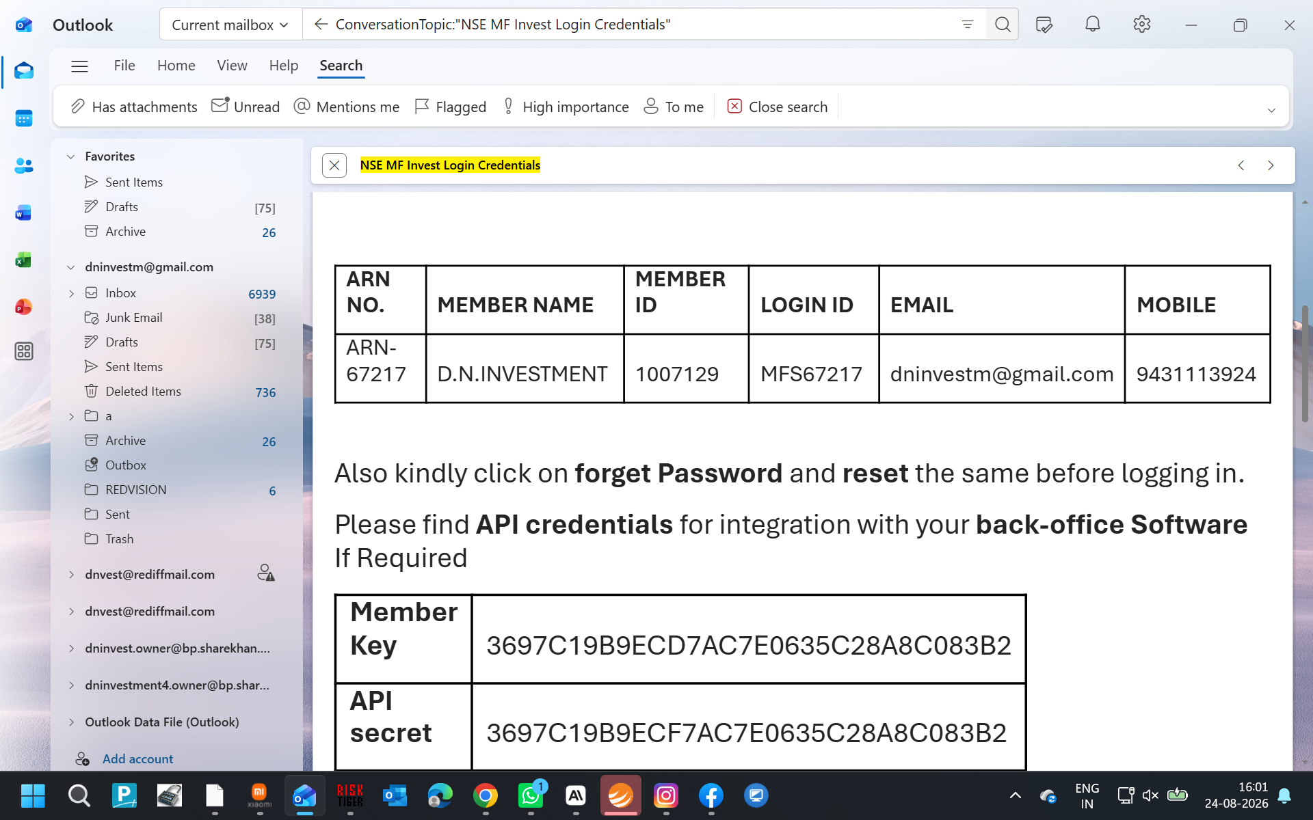
Name | User id | Pssword | Email Id/Remark
Income Tax | AAWPA5325J | mittal@1Q | DILIP
Income Tax | AAWPA5322R | Mittal@11 | NIRMALA
Income Tax | IKYPM3821H |  | SHIKHAR
Income Tax | AAWPA5326M | godawari%2705 | GODAWARI
Income Tax | AAOHD1113R | Mittal@11 | DILIP HUF
Income Tax | RCHD01187E |  | TAN
Income Tax | CDQPM4305K | Saaz%1994 | SAAZ
Gst | d.investm | Mittal@22
Esic | 60001573230001099 | INVEST@1
Irctc | dninvest | mittal
Icici Bank | dninvestm | Chery@11
Icici Lombard | 8073584 | modi1111
vasno devi | dninvestm | chery@11
vasno devi | dilip1968 | chery@11
vasno devi | dninvestment | chery@11
PASSPORT | dninvestment | Mittal@22
icici pru | 1231266 | Mittal@11
icici pru | AGARWALD68 | mittal11
NISM-201500005750. | dninvest.owner@bp.sharekhan.com | mittal11
KARVEY | DNIent7249 | dninv@1941
NSE | MFS67217 | mittal@22222
funds net | DNIT | Mittal@66666
Sharekhan Outlook | dninvest.owner@bp.sharekhan.com | Mittal@66 | sini
Sharekhan Outlook | dninvestment@bp.sharekhan.com | Mittal@55 | sini
Sharekhan Outlook | dninvestment4@bp.sharekhan.com | Mittal@55 | sini
Sharekhan Outlook | dninvestment4.owner@bp.sharekhan.com | Mittal@33 | sini
Sharekhan Outlook | dninvestmf@bp.sharekhan.com | Chery@55 | sini
Godawari Fed | god111 | Chery@77 | Chery@88
Nirmala Fed | Nimbu11 | Chery@77 | Chery@88
D N fed | dninvestment | Chery@55 | Chery@66
Gail | Bp number 7405000098
hdfc loan | AGRADK6704 | Mittal@55
IDFC Bank | 5701116978 | dninvest | Chery@66
kotak BANK | nirmalaa1972 | Chery@11
UDAMI | https://udyamregistration.gov.in/Udyam_Login.aspx | UDYAM-JH-06-0070355

apple email devloper id | dninvestm@gmail.com | 11Share@
zoho | dninvestm@gmail.com | Mittal@11

GMAIL | WEBSIDE PASSWORD |  | umnu bkgm jjly ptum

Sharekhan One View | 437 | fr437owner | Chery@11
Sharekhan One View | 1278 | Pb1278owner | Mittal@22

Web Side Admin | https://dninvestment.in/admin | dninvestment@2025 | Dninvestment@2025
For Feed Back | https://dninvestment.in/feedback

udyam registration | UDYAM-JH-06-0070355 | 9031928090
D N Maily Mail | dnfamily1967@gmail.com | Mittal@11
Microsof 365 Licance | c82808@3658.pro | Mittal@11
VLS Admin | https://vlscloud.sharekhan.com/Login.xbc?PreLogin() | 437_admin | admin
VLS Dealer | https://vlscloud.sharekhan.com/Login.xbc?PreLogin() | 437_yogendra | Mask@1234$
VLS Server | https://xvl-7489 | admin | admin
LAS | https://transact.miraeassetfin.com/Login | REF CODE A20669 | CLIENT CODE
idfc huf | 10277206525
Modem Dilawar | admin | Goblin@123$ | 2320547 | 192.168.0.1
Modem Dilawar Router | admin | admin123 | 2320382 | 192.168.3.1
Airtel | admin | Mittal@11 | 4037380 | 192.168.1.1
Modem Sohan pal | telecomadmin | admintelecom | 2320903 | 192.168.2.1
dncrm | recovery code | DNINVEST2026

 | irm https://get.activated.win | iex

dnfamily1967-wq/Flying-Disc

dnfamily1967-wq/Flying-Disc
https://dnfamily1967-wq.github.io/Flying-Disc/

